Issue Sheet
Issue Sheet

r | Control Information

 |  | Issue No. |  | TIP | I | A | 01780 | Type |  |  | Request |  | Status |  |  | OPEN
 |  | Creation Date |  | 2020-02-03 |  |  |  | Due Date |  |  | 2020-02-03 |  | Close Date
 |  | Priority |  | High |  |  |  | System |  |  | EBS |  | Application Module |  |  | IA(Addon)

r | Inquiry Information

 |  | [TIP ENDUSER/TIPISD/ME-Sui] |  |  |  |  |  |  | [TIPISD/ME-Sui] |  |  |  |  | [ME-Sui]
 |  |  | Request | Approval |  |  |  |  |  | Registration |  | Approval |  |  | Reception |  | Assignment
 |  | Dept. | FIA | FIA |  |  |  |  | Dept. | TIP-ISD |  | TIP-ISD |  | Dept.
 |  | Name | Esper Leyban | Rowena Gabucay |  |  |  |  | Name | R. De Villa |  | C. Tapia |  | Name
 |  | Date | 2020-02-03 | 2020-02-03 |  |  |  |  | Date | 2020-02-20 |  | 2020-02-20 |  | Date

 |  | Issue Category |  | Application
 |  | Title |  | Recovery of error encounter in MDS IA interface(Conversion process)
 |  | Issue |  | Upon interface of MDS BU from PRAS IA to GAIA, error in conversion was encountered due to lacking set-up in IA attribute 17 for PRD sub-inventory(Revaluation cost transaction).

**PLEASE FILL OUT ORANGE SHEETS ALSO**

 |  | Reason |  | Lacking IA attribute17 set-up for Revaluation cost transaction in PRD during migration of MDC to MDS last December 2019.

 |  | Detail Attachment |  |  |  |  |  | Link to Attachment Sheet

r | Investigation Information

 |  | [TIPISD/ME-Sui] |  |  |  |  |  |  | [TIPISD/ME-Sui] |  |  |  |  | [TIP ENDUSER]
 |  |  | Investigation | Approval |  |  |  |  |  | Confirmation |  | Approval |  |  | Confirmation |  | Approval
 |  | Dept. |  |  |  |  |  |  | Dept. |  |  |  |  | Dept.
 |  | Name |  |  |  |  |  |  | Name |  |  |  |  | Name
 |  | Date |  |  |  |  |  |  | Date |  |  |  |  | Date

 |  | Cause Category
 |  | Cause

 |  | Workaround and Countermeasure

 |  | Detail Attachement |  |  |  |  |  | Link to Attachment Sheet

r | Actual Operation Information
 |  | [TIPISD/ME-Sui] |  |  |  |  |  |  | [TIPISD/ME-Sui] |  |  |  |  | [TIP ENDUSER]
 |  |  | Operation | Approval |  |  |  |  |  | Confirmation |  | Approval |  |  | Confirmation |  | Approval
 |  | Dept. | TIP-ISD | TIP-ISD |  |  |  |  | Dept. |  |  |  |  | Dept. | FIA |  | FIA
 |  | Name | R. De Villa | C. Tapia |  |  |  |  | Name |  |  |  |  | Name | Esper Leyban |  | Rowena Gabucay
 |  | Date | 2020-02-03 | 2020-02-03 |  |  |  |  | Date |  |  |  |  | Date | 2020-02-03 |  | 2020-02-03

 |  | Actual Operation

 |  | Evidence Attachment |  |  |  |  |  | Link to Attachment Sheet
 |  |  |  |  |  |  |  |  |  |  |  |  |  |  |  |  |  | TIP.3109.R2

Datailed Inquiry Information
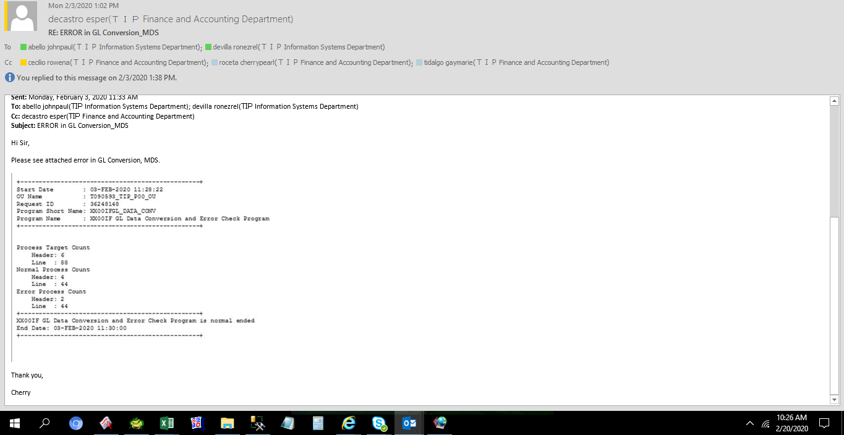
Detailed Inquiry Information

 | PLEASE PROVIDE EVIDENCE OF REQUEST / DETAILS OF REQUEST HERE (IN DETAIL).

Actual Operation Evidence
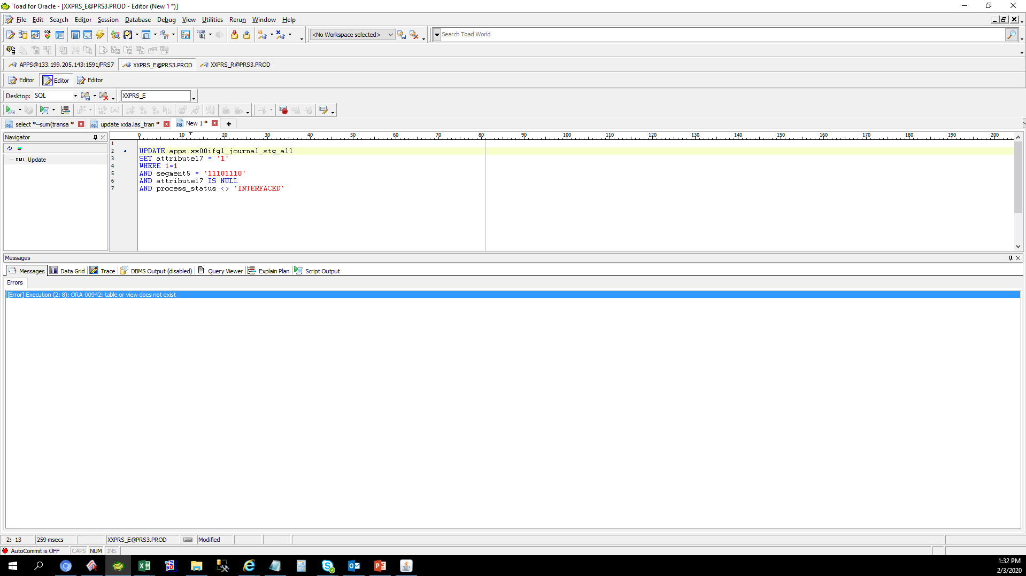
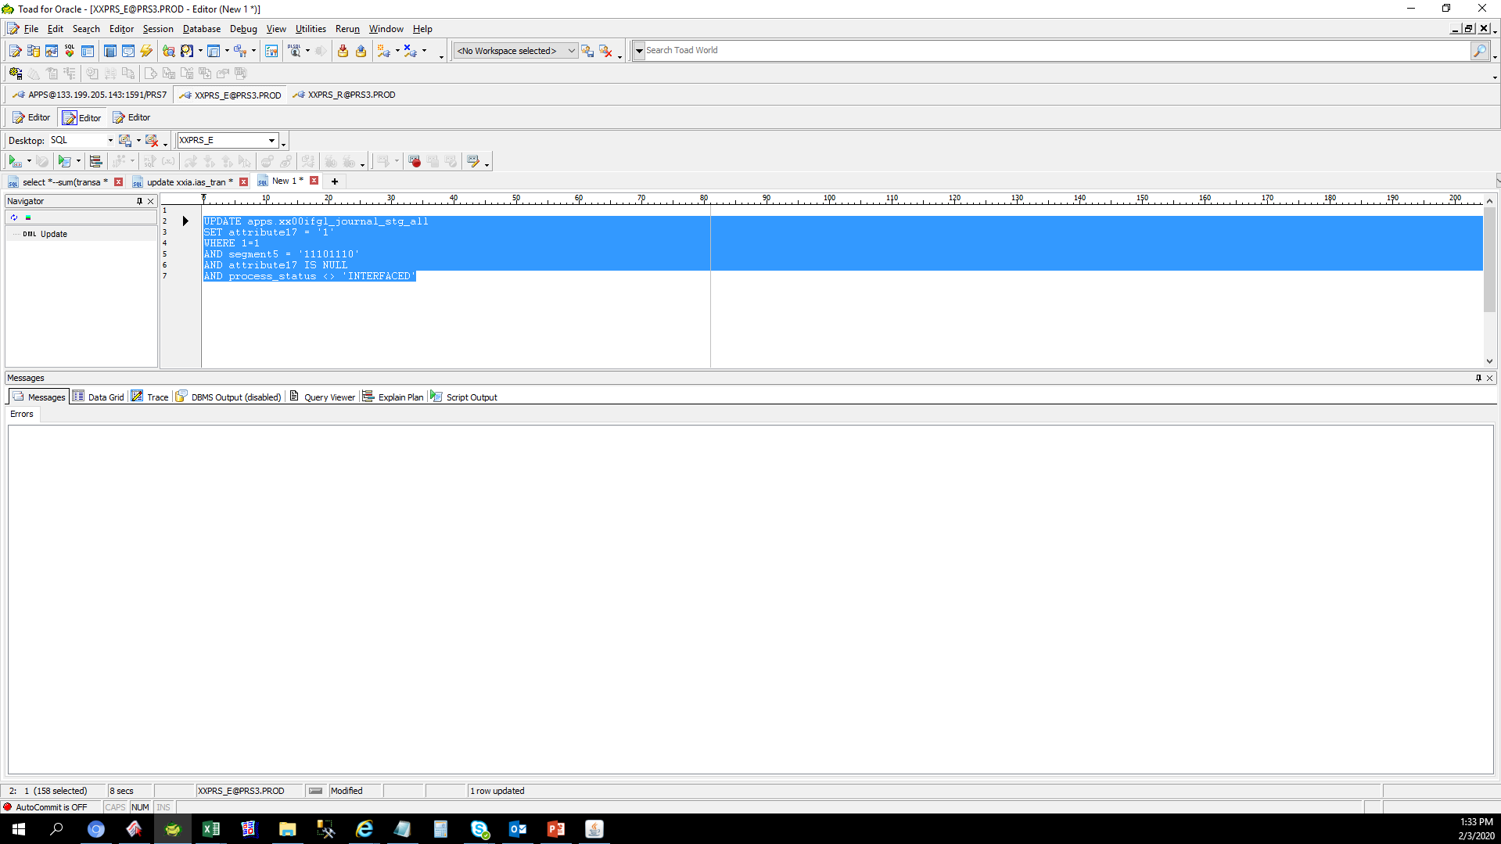

Actual Operation Evidence

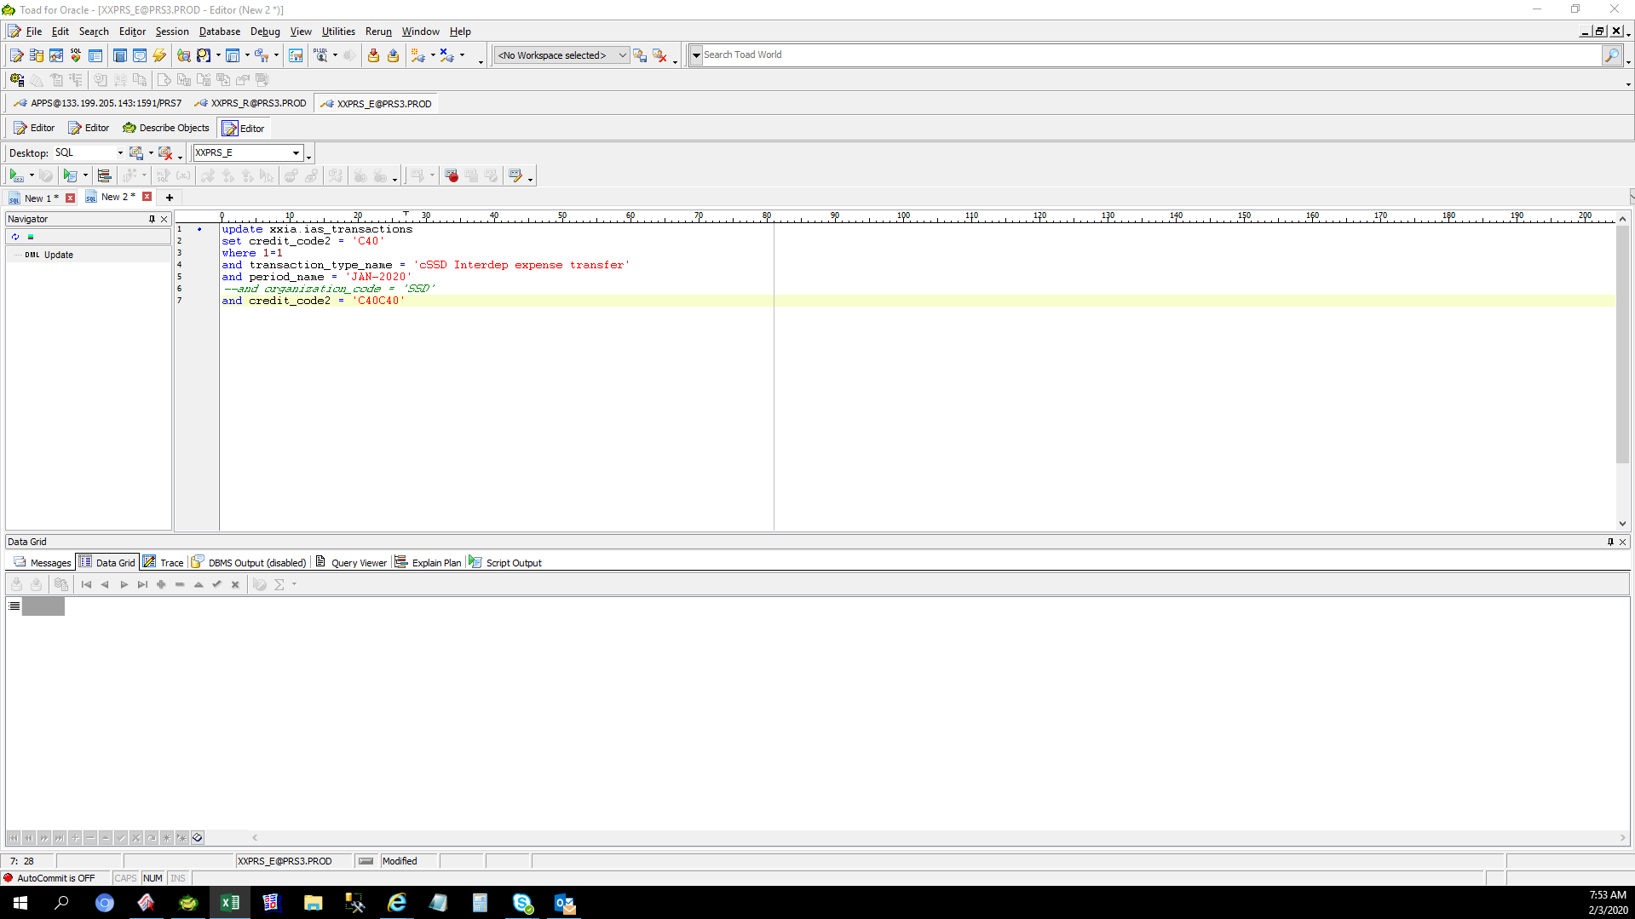

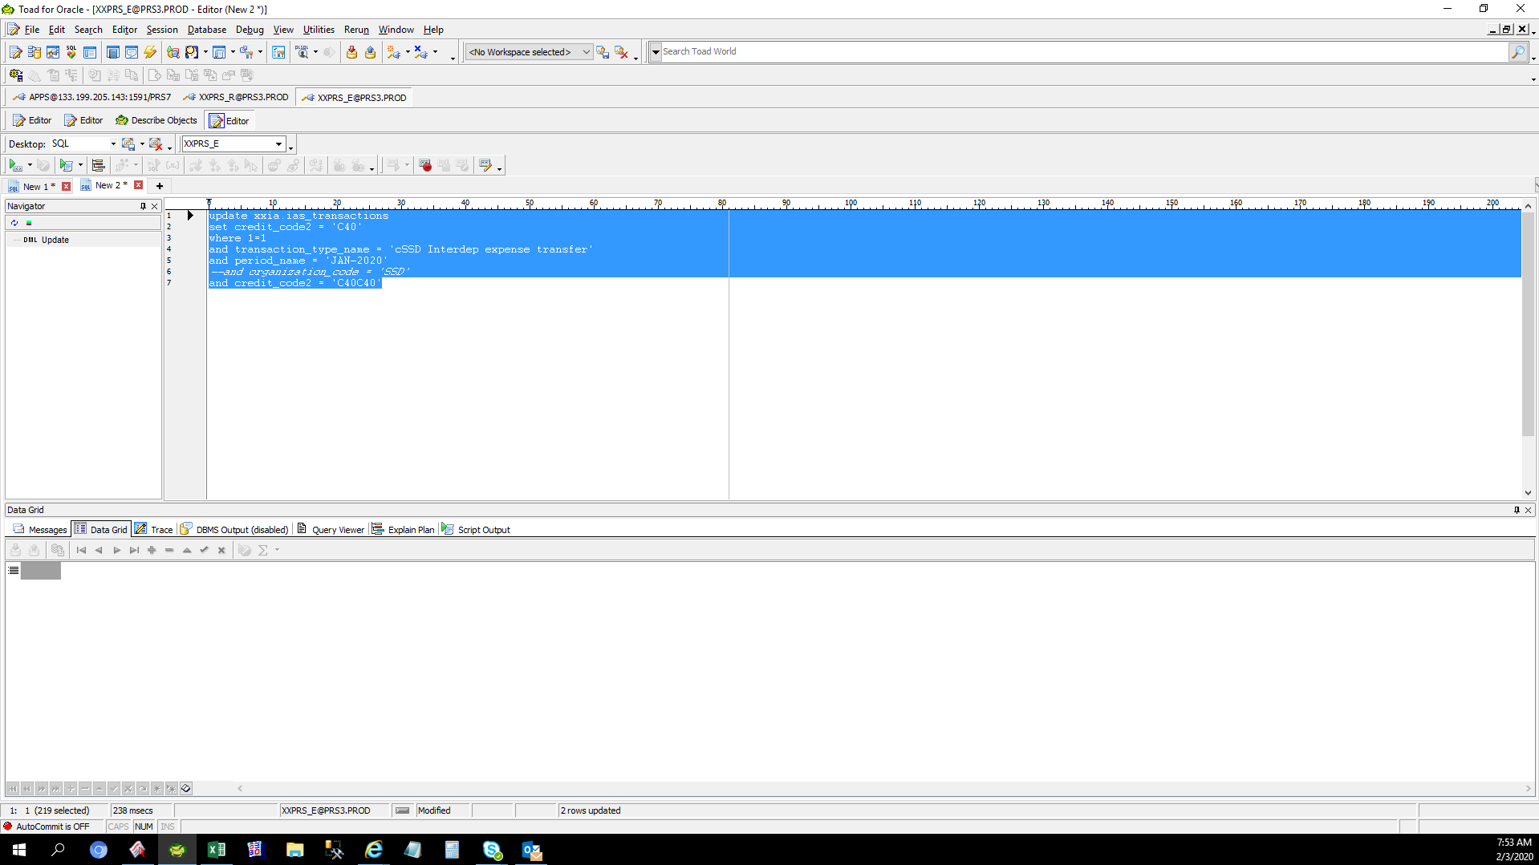



 | TRANSACTION_ID | RCV_TRANSACTION_ID | HQ_SYORI_NO | TRANSACTION_SOURCE_ID | GL_TRANSACTION_ID | GL_CONNECT_FLAG | TRANSACTION_TYPE_NAME | ORGANIZATION_CODE | SUBINVENTORY_CODE | SPECIAL_CODE | TRANSFER_ORGANIZATION_CODE | TRANSFER_SUBINVENTORY_CODE | TRANSFER_SPECIAL_CODE | ITEM_CODE | TRANSACTION_QUANTITY | TRANSACTION_DATE | PERIOD_NAME | ITEM_UOM | SET_OF_BOOKS_ID | REASON_ID | CURRENCY_CODE | CURRENCY_RATE | USD_RATE | JPY_RATE | CURRENCY_PRICE_TEMP | USD_PRICE_TEMP | JPY_PRICE_TEMP | CURRENCY_AMOUNT_TEMP | USD_AMOUNT_TEMP | JPY_AMOUNT_TEMP | CURRENCY_PRICE | USD_PRICE | JPY_PRICE | CURRENCY_AMOUNT | USD_AMOUNT | JPY_AMOUNT | DECISION_STATUS | ACCEPTANCE_STATUS | EXTRACT_FLAG | PROCESS_STATUS | ADJ_TRANSACTION_ID | DEBIT_CODE1 | DEBIT_CODE2 | DEBIT_CODE3 | DEBIT_CODE4 | DEBIT_CODE5 | DEBIT_CODE6 | DEBIT_CODE7 | DEBIT_CODE8 | DEBIT_CODE9 | DEBIT_CODE10 | DEBIT_CODE11 | CREDIT_CODE1 | CREDIT_CODE2 | CREDIT_CODE3 | CREDIT_CODE4 | CREDIT_CODE5 | CREDIT_CODE6 | CREDIT_CODE7 | CREDIT_CODE8 | CREDIT_CODE9 | CREDIT_CODE10 | CREDIT_CODE11 | DEBIT_ATTRIBUTE1 | DEBIT_ATTRIBUTE2 | DEBIT_ATTRIBUTE3 | DEBIT_ATTRIBUTE4 | DEBIT_ATTRIBUTE5 | DEBIT_ATTRIBUTE6 | DEBIT_ATTRIBUTE7 | DEBIT_ATTRIBUTE8 | DEBIT_ATTRIBUTE9 | DEBIT_ATTRIBUTE10 | DEBIT_ATTRIBUTE11 | DEBIT_ATTRIBUTE12 | DEBIT_ATTRIBUTE13 | DEBIT_ATTRIBUTE14 | DEBIT_ATTRIBUTE15 | DEBIT_ATTRIBUTE16 | DEBIT_ATTRIBUTE17 | DEBIT_ATTRIBUTE18 | DEBIT_ATTRIBUTE19 | DEBIT_ATTRIBUTE20 | CREDIT_ATTRIBUTE1 | CREDIT_ATTRIBUTE2 | CREDIT_ATTRIBUTE3 | CREDIT_ATTRIBUTE4 | CREDIT_ATTRIBUTE5 | CREDIT_ATTRIBUTE6 | CREDIT_ATTRIBUTE7 | CREDIT_ATTRIBUTE8 | CREDIT_ATTRIBUTE9 | CREDIT_ATTRIBUTE10 | CREDIT_ATTRIBUTE11 | CREDIT_ATTRIBUTE12 | CREDIT_ATTRIBUTE13 | CREDIT_ATTRIBUTE14 | CREDIT_ATTRIBUTE15 | CREDIT_ATTRIBUTE16 | CREDIT_ATTRIBUTE17 | CREDIT_ATTRIBUTE18 | CREDIT_ATTRIBUTE19 | CREDIT_ATTRIBUTE20 | TRANSACTION_CREATE_ID | TRANSACTION_CREATE_DATE | CREATION_DATE | CREATED_BY | LAST_UPDATE_DATE | LAST_UPDATED_BY | LAST_UPDATE_LOGIN
 | 86745298 |  |  |  |  |  | cSSD Interdep expense transfer | SSD | SSDLINE |  |  |  |  | GM9041895010 | -70 | 1/9/20 | Jan-20 | PCE | 2021 | 63 | USD | 1 | 0 | 0 | 2.29 | 0 | 0 | -160.3 | 0 | 0 | 0 | 0 | 0 | 0 | 0 | 0 | 2 | 2 | 0 | 5 |  | T090593 | C40 | L10 | 4006040 | 11501110 | 0 | X1110 | PHL | 0 | 0 | 0 | T090593 | C40C40 | L10 | 4006040 | 42100120 | 7412 | X1110 | PHL | 0 | 0 | 0 |  |  |  |  |  |  |  |  |  |  |  |  | UKP |  |  |  |  |  |  |  |  |  |  |  |  |  |  |  |  |  | T0905930000 |  | UKP |  |  |  |  |  |  |  | 12672 | 1/9/20 | 1/29/20 | IASS0010 | 2/3/20 | IASS0050
 | 86745299 |  |  |  |  |  | cSSD Interdep expense transfer | SSD | SSDLINE |  |  |  |  | GM9041896010 | -70 | 1/9/20 | Jan-20 | PCE | 2021 | 63 | USD | 1 | 0 | 0 | 1.66 | 0 | 0 | -116.2 | 0 | 0 | 0 | 0 | 0 | 0 | 0 | 0 | 2 | 2 | 0 | 5 |  | T090593 | C40 | L10 | 4006040 | 11501110 | 0 | X1110 | PHL | 0 | 0 | 0 | T090593 | C40C40 | L10 | 4006040 | 42100120 | 7412 | X1110 | PHL | 0 | 0 | 0 |  |  |  |  |  |  |  |  |  |  |  |  | UKP |  |  |  |  |  |  |  |  |  |  |  |  |  |  |  |  |  | T0905930000 |  | UKP |  |  |  |  |  |  |  | 12672 | 1/9/20 | 1/29/20 | IASS0010 | 2/3/20 | IASS0050

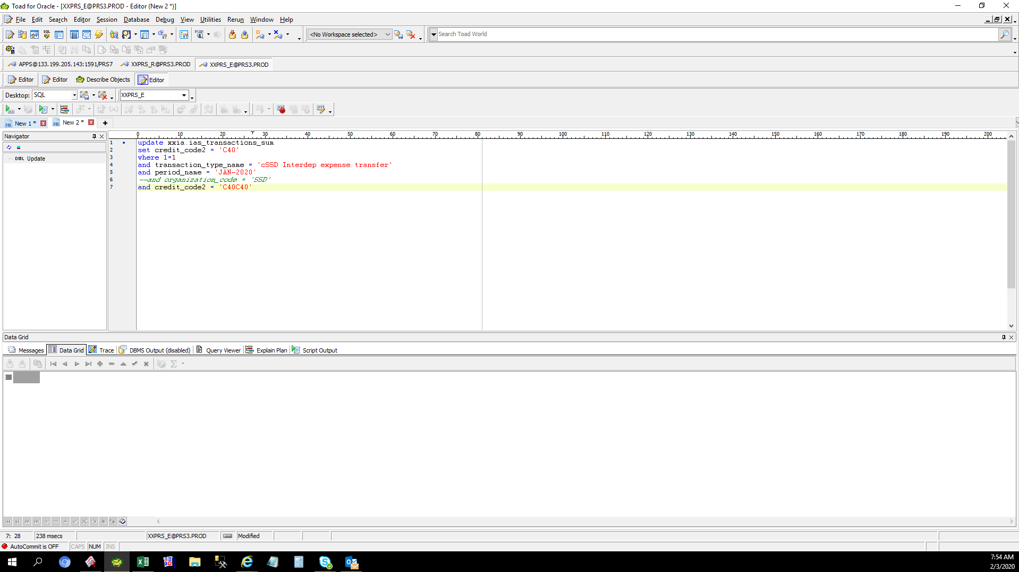





 | TRANSACTION_ID | RCV_TRANSACTION_ID | HQ_SYORI_NO | TRANSACTION_SOURCE_ID | GL_TRANSACTION_ID | GL_CONNECT_FLAG | TRANSACTION_TYPE_NAME | ORGANIZATION_CODE | SUBINVENTORY_CODE | SPECIAL_CODE | TRANSFER_ORGANIZATION_CODE | TRANSFER_SUBINVENTORY_CODE | TRANSFER_SPECIAL_CODE | ITEM_CODE | TRANSACTION_QUANTITY | TRANSACTION_DATE | PERIOD_NAME | ITEM_UOM | SET_OF_BOOKS_ID | REASON_ID | CURRENCY_CODE | CURRENCY_RATE | USD_RATE | JPY_RATE | CURRENCY_PRICE_TEMP | USD_PRICE_TEMP | JPY_PRICE_TEMP | CURRENCY_AMOUNT_TEMP | USD_AMOUNT_TEMP | JPY_AMOUNT_TEMP | CURRENCY_PRICE | USD_PRICE | JPY_PRICE | CURRENCY_AMOUNT | USD_AMOUNT | JPY_AMOUNT | DECISION_STATUS | ACCEPTANCE_STATUS | EXTRACT_FLAG | PROCESS_STATUS | ADJ_TRANSACTION_ID | DEBIT_CODE1 | DEBIT_CODE2 | DEBIT_CODE3 | DEBIT_CODE4 | DEBIT_CODE5 | DEBIT_CODE6 | DEBIT_CODE7 | DEBIT_CODE8 | DEBIT_CODE9 | DEBIT_CODE10 | DEBIT_CODE11 | CREDIT_CODE1 | CREDIT_CODE2 | CREDIT_CODE3 | CREDIT_CODE4 | CREDIT_CODE5 | CREDIT_CODE6 | CREDIT_CODE7 | CREDIT_CODE8 | CREDIT_CODE9 | CREDIT_CODE10 | CREDIT_CODE11 | DEBIT_ATTRIBUTE1 | DEBIT_ATTRIBUTE2 | DEBIT_ATTRIBUTE3 | DEBIT_ATTRIBUTE4 | DEBIT_ATTRIBUTE5 | DEBIT_ATTRIBUTE6 | DEBIT_ATTRIBUTE7 | DEBIT_ATTRIBUTE8 | DEBIT_ATTRIBUTE9 | DEBIT_ATTRIBUTE10 | DEBIT_ATTRIBUTE11 | DEBIT_ATTRIBUTE12 | DEBIT_ATTRIBUTE13 | DEBIT_ATTRIBUTE14 | DEBIT_ATTRIBUTE15 | DEBIT_ATTRIBUTE16 | DEBIT_ATTRIBUTE17 | DEBIT_ATTRIBUTE18 | DEBIT_ATTRIBUTE19 | DEBIT_ATTRIBUTE20 | CREDIT_ATTRIBUTE1 | CREDIT_ATTRIBUTE2 | CREDIT_ATTRIBUTE3 | CREDIT_ATTRIBUTE4 | CREDIT_ATTRIBUTE5 | CREDIT_ATTRIBUTE6 | CREDIT_ATTRIBUTE7 | CREDIT_ATTRIBUTE8 | CREDIT_ATTRIBUTE9 | CREDIT_ATTRIBUTE10 | CREDIT_ATTRIBUTE11 | CREDIT_ATTRIBUTE12 | CREDIT_ATTRIBUTE13 | CREDIT_ATTRIBUTE14 | CREDIT_ATTRIBUTE15 | CREDIT_ATTRIBUTE16 | CREDIT_ATTRIBUTE17 | CREDIT_ATTRIBUTE18 | CREDIT_ATTRIBUTE19 | CREDIT_ATTRIBUTE20 | TRANSACTION_CREATE_ID | TRANSACTION_CREATE_DATE | CREATION_DATE | CREATED_BY | LAST_UPDATE_DATE | LAST_UPDATED_BY | LAST_UPDATE_LOGIN
 | 86800343 |  |  |  |  |  | SQA3 Interdep expense transfer | HPC | HPCLINE-N |  |  |  |  | GDM470002056 | -5 | 1/29/20 | Jan-20 | PCE | 2021 | 63 | USD | 1 | 0 | 0 | 1.28712 | 0 | 0 | -6.44 | 0 | 0 | 0 | 0 | 0 | 0 | 0 | 0 | 2 | 2 | 0 | 5 |  | T090593 | M10 | L10 | 4004040 | 11501110 | 0 | X2110 | PHL | 0 | 0 | 0 | T090593 | S30 | L10 | 3004035 | 42200120 | 7412 | X1310 | PHL | 0 | 0 | 0 |  |  |  |  |  |  |  |  |  |  |  |  | UKP |  |  |  |  |  |  |  |  |  |  |  |  |  |  |  |  |  | T0905930000 |  | UKP |  |  |  |  |  |  |  | 7665 | 1/29/20 | 1/30/20 | IASS0010 | 2/3/20 | IASS0050

 | TRANSACTION_ID | RCV_TRANSACTION_ID | SUM_TRANSACTION_ID | TRANSACTION_SOURCE_ID | TRANSACTION_TYPE_NAME | ORGANIZATION_CODE | SUBINVENTORY_CODE | SPECIAL_CODE | TRANSFER_ORGANIZATION_CODE | TRANSFER_SUBINVENTORY_CODE | TRANSFER_SPECIAL_CODE | ITEM_CODE | TRANSACTION_QUANTITY | TRANSACTION_DATE | PERIOD_NAME | ITEM_UOM | SET_OF_BOOKS_ID | REASON_ID | CURRENCY_CODE | CURRENCY_RATE | USD_RATE | JPY_RATE | CURRENCY_PRICE | USD_PRICE | JPY_PRICE | CURRENCY_AMOUNT | USD_AMOUNT | JPY_AMOUNT | DECISION_STATUS | ACCEPTANCE_STATUS | PROCESS_STATUS | ADJ_TRANSACTION_ID | DEBIT_CODE1 | DEBIT_CODE2 | DEBIT_CODE3 | DEBIT_CODE4 | DEBIT_CODE5 | DEBIT_CODE6 | DEBIT_CODE7 | DEBIT_CODE8 | DEBIT_CODE9 | DEBIT_CODE10 | DEBIT_CODE11 | CREDIT_CODE1 | CREDIT_CODE2 | CREDIT_CODE3 | CREDIT_CODE4 | CREDIT_CODE5 | CREDIT_CODE6 | CREDIT_CODE7 | CREDIT_CODE8 | CREDIT_CODE9 | CREDIT_CODE10 | CREDIT_CODE11 | DEBIT_ATTRIBUTE1 | DEBIT_ATTRIBUTE2 | DEBIT_ATTRIBUTE3 | DEBIT_ATTRIBUTE4 | DEBIT_ATTRIBUTE5 | DEBIT_ATTRIBUTE6 | DEBIT_ATTRIBUTE7 | DEBIT_ATTRIBUTE8 | DEBIT_ATTRIBUTE9 | DEBIT_ATTRIBUTE10 | DEBIT_ATTRIBUTE11 | DEBIT_ATTRIBUTE12 | DEBIT_ATTRIBUTE13 | DEBIT_ATTRIBUTE14 | DEBIT_ATTRIBUTE15 | DEBIT_ATTRIBUTE16 | DEBIT_ATTRIBUTE17 | DEBIT_ATTRIBUTE18 | DEBIT_ATTRIBUTE19 | DEBIT_ATTRIBUTE20 | CREDIT_ATTRIBUTE1 | CREDIT_ATTRIBUTE2 | CREDIT_ATTRIBUTE3 | CREDIT_ATTRIBUTE4 | CREDIT_ATTRIBUTE5 | CREDIT_ATTRIBUTE6 | CREDIT_ATTRIBUTE7 | CREDIT_ATTRIBUTE8 | CREDIT_ATTRIBUTE9 | CREDIT_ATTRIBUTE10 | CREDIT_ATTRIBUTE11 | CREDIT_ATTRIBUTE12 | CREDIT_ATTRIBUTE13 | CREDIT_ATTRIBUTE14 | CREDIT_ATTRIBUTE15 | CREDIT_ATTRIBUTE16 | CREDIT_ATTRIBUTE17 | CREDIT_ATTRIBUTE18 | CREDIT_ATTRIBUTE19 | CREDIT_ATTRIBUTE20 | TRANSACTION_CREATE_ID | TRANSACTION_CREATE_DATE | CREATION_DATE | CREATED_BY | LAST_UPDATE_DATE | LAST_UPDATED_BY | LAST_UPDATE_LOGIN
 | 705340740 |  | 86800343 |  | SQA3 Interdep expense transfer | HPC | HPCLINE-N |  |  |  |  | GDM470002056 | -5 | 1/29/20 | Jan-20 | PCE | 2021 | 63 | USD | 1 | 0 | 0 | 0 | 0 | 0 | 0 | 0 | 0 | 2 | 2 | 1 |  | T090593 | M10 | L10 | 4004040 | 11501110 | 0 | X2110 | PHL | 0 | 0 | 0 | T090593 | S30 | L10 | 3004035 | 42200120 | 7412 | X1310 | PHL | 0 | 0 | 0 |  |  |  |  |  |  |  |  |  |  |  |  | UKP |  |  |  |  |  |  |  |  |  |  |  |  |  |  |  |  |  | T0905930000 |  | UKP |  |  |  |  |  |  |  | 7665 | 1/29/20 | 1/30/20 | IASS0010 | 1/30/20 | IASS0450

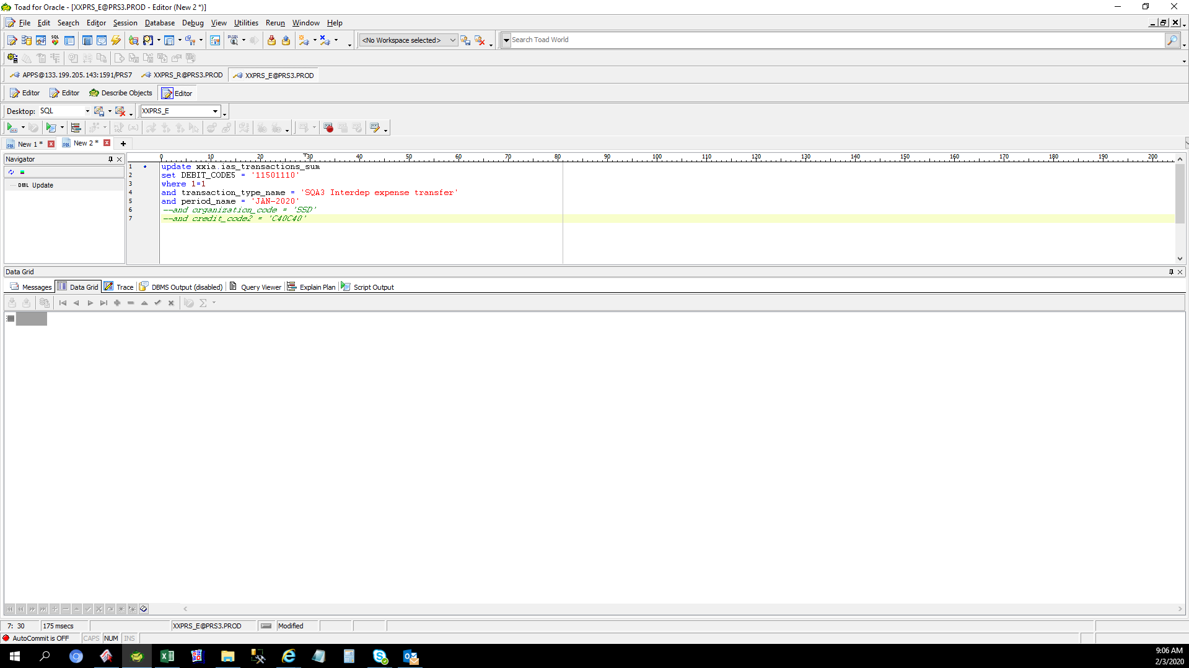

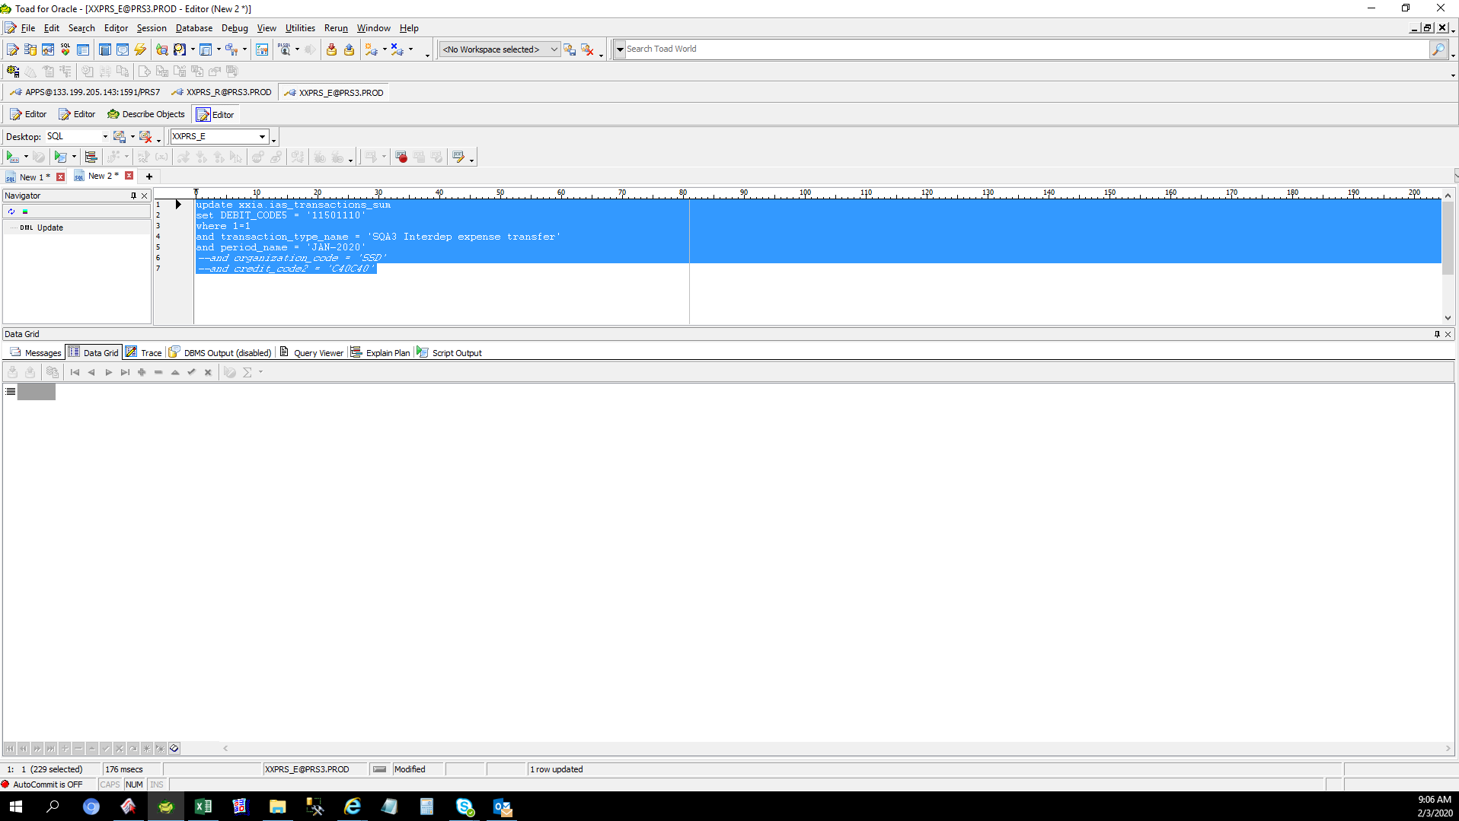

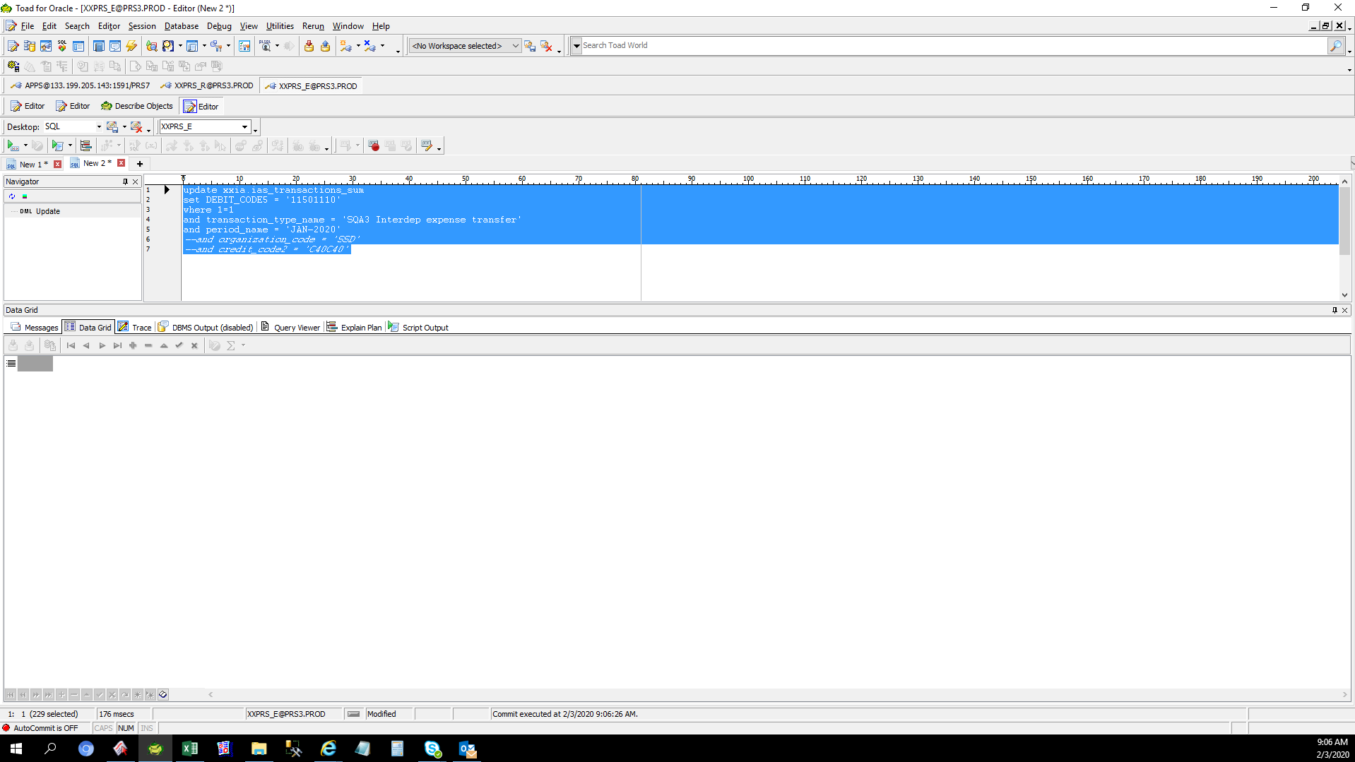





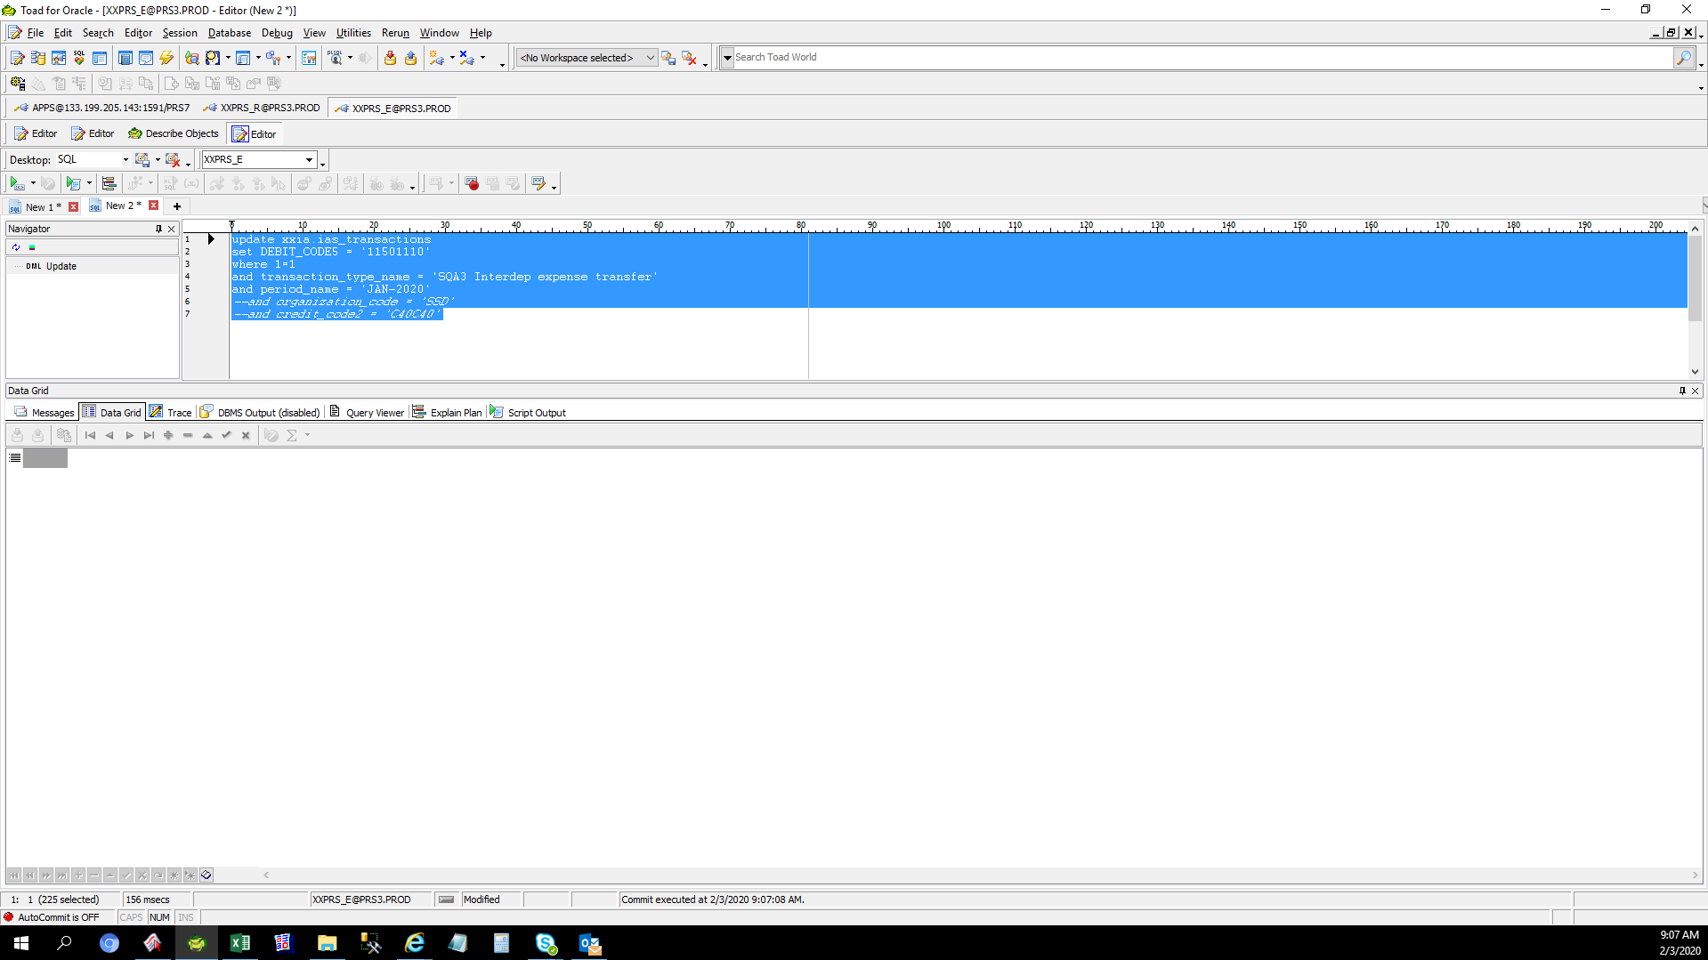

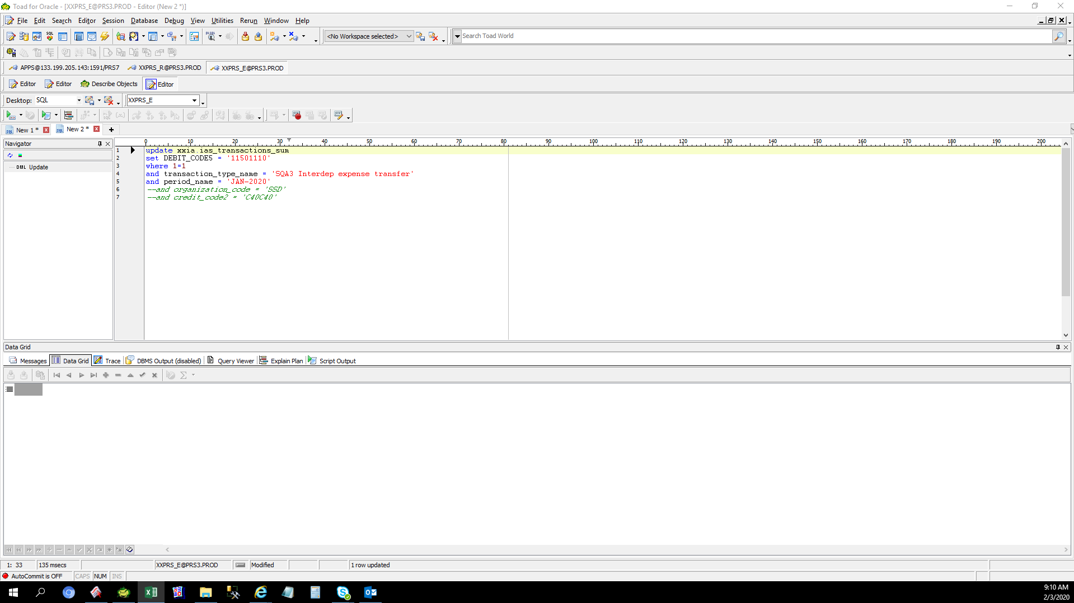

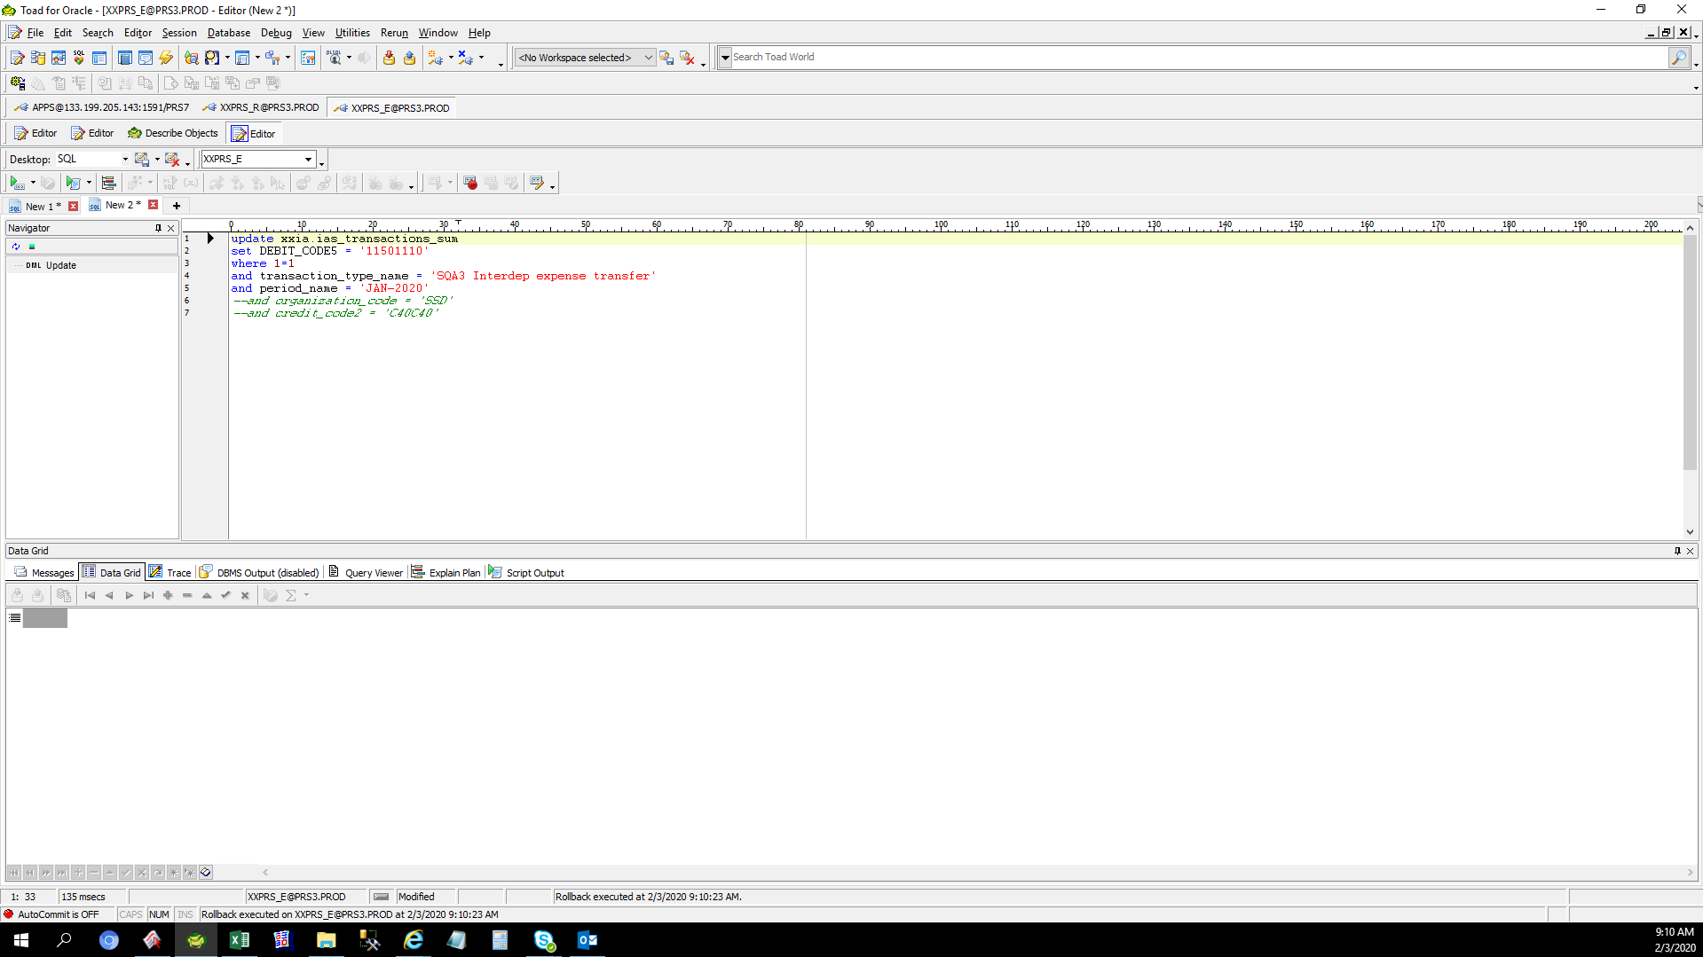

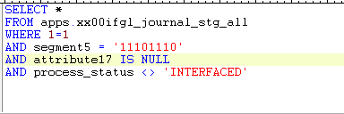

 | JE_HEADER_NUM | JE_LINE_NUM | JE_CATEGORY_KEY | USER_JE_SOURCE_NAME | ACCOUNTING_DATE | CR_DR_FLAG | PERIOD_NAME | REFERENCE1 | REFERENCE2 | REFERENCE4 | REFERENCE5 | REFERENCE6 | REFERENCE7 | REFERENCE8 | REFERENCE9 | REFERENCE10 | JGZZ_RECON_REF | TAX_REGIME_CODE | TAX | TAX_STATUS_CODE | TAX_JURISDICTION_CODE | TAX_RATE_CODE | TAX_RATE | TAX_LINE_GROUP | SEGMENT1 | SEGMENT2 | SEGMENT3 | SEGMENT4 | SEGMENT5 | SEGMENT6 | SEGMENT7 | SEGMENT8 | SEGMENT9 | SEGMENT10 | SEGMENT11 | CODE_COMBINATION_ID | ATTRIBUTE1 | ATTRIBUTE2 | ATTRIBUTE3 | ATTRIBUTE4 | ATTRIBUTE5 | ATTRIBUTE6 | ATTRIBUTE7 | ATTRIBUTE8 | ATTRIBUTE9 | ATTRIBUTE10 | ATTRIBUTE11 | ATTRIBUTE12 | ATTRIBUTE13 | ATTRIBUTE14 | ATTRIBUTE15 | ATTRIBUTE16 | ATTRIBUTE17 | ATTRIBUTE18 | ATTRIBUTE19 | ATTRIBUTE20 | XX_ATTRIBUTE1 | XX_ATTRIBUTE2 | XX_ATTRIBUTE3 | XX_ATTRIBUTE4 | XX_ATTRIBUTE5 | XX_ATTRIBUTE6 | XX_ATTRIBUTE7 | XX_ATTRIBUTE8 | XX_ATTRIBUTE9 | XX_ATTRIBUTE10 | XX_ATTRIBUTE11 | XX_ATTRIBUTE12 | XX_ATTRIBUTE13 | XX_ATTRIBUTE14 | XX_ATTRIBUTE15 | XX_ATTRIBUTE16 | XX_ATTRIBUTE17 | XX_ATTRIBUTE18 | XX_ATTRIBUTE19 | XX_ATTRIBUTE20 | XX_ATTRIBUTE21 | XX_ATTRIBUTE22 | XX_ATTRIBUTE23 | XX_ATTRIBUTE24 | XX_ATTRIBUTE25 | XX_ATTRIBUTE26 | XX_ATTRIBUTE27 | XX_ATTRIBUTE28 | XX_ATTRIBUTE29 | XX_ATTRIBUTE30 | XX_ATTRIBUTE31 | XX_ATTRIBUTE32 | XX_ATTRIBUTE33 | XX_ATTRIBUTE34 | XX_ATTRIBUTE35 | XX_ATTRIBUTE36 | XX_ATTRIBUTE37 | XX_ATTRIBUTE38 | XX_ATTRIBUTE39 | XX_ATTRIBUTE40 | XX_ATTRIBUTE41 | XX_ATTRIBUTE42 | XX_ATTRIBUTE43 | XX_ATTRIBUTE44 | XX_ATTRIBUTE45 | ENTERED_DR | ENTERED_CR | ACCOUNTED_DR | ACCOUNTED_CR | CURRENCY_CODE | CURRENCY_CONVERSION_DATE | USER_CURRENCY_CONVERSION_TYPE | CURRENCY_CONVERSION_RATE | STATUS | ACTUAL_FLAG | LEDGER_NAME | INVOICE_ID | DISTRIBUTION_LINE_NUMBER | PROCESS_STATUS | ERROR_FLAG | ERROR_MESSAGE | LEGAL_ENTITY_ID | CREATED_BY | CREATION_DATE | LAST_UPDATED_BY | LAST_UPDATE_DATE | LAST_UPDATE_LOGIN | REQUEST_ID | PROGRAM_APPLICATION_ID | PROGRAM_ID | PROGRAM_UPDATE_DATE | ORG_ID | TRANSACTION_ID
 | 2990967 | 2991003 | XXGD4_0025 | T090593_L10_0008 | 2020-01-31 | C | Jan-20 |  |  |  | 2990967 |  |  |  |  | MDS-Revaluation cost |  | PHL_REGIME | PHL_VAT | PHL_TAX_STATUS | PHL_JUR | PHLV00 | 0 |  | T090593 | M20 | L10 | 3002850 | 11101110 | 0 | X2000 | PHL | 0 | 0 | 0 | 1309482 |  |  |  |  |  |  |  |  |  |  | T0905930000 |  | UKP |  |  |  |  |  |  |  |  |  |  |  |  |  |  |  |  |  |  |  |  |  |  |  |  |  |  |  |  |  |  |  |  |  |  |  |  |  |  |  |  |  |  |  |  |  |  |  |  |  |  |  |  |  | 0.01 |  |  | USD | 2020-01-31 | T000000_PHL_Corporate Rate |  | U | A | T090593_TIP_IFRS |  |  | ERROR CHECK FAIL | Y | 38-1138-538-5238-52*****XXGFAAU_CHK_A35_00407material_classification is null*****XXGFAAU_CHK_A35_00407material_classification is null*****XXGFAAU_CHK_B62_10005accounting_date is different in a journal*****XXGFAAU_CHK_B62_10011reference5 is different in a journal.Source AFF:T090593.M20.L10.3002850.11101110.0000.X2000.PHL.0000000.000000.0000 | 23285 | 12672 | 2/3/20 | 12672 | 2/3/20 | 37219472 | 36248146 | 20009 | 64381 | 2/3/20 | 101 | 2990967

Helpdesk Request
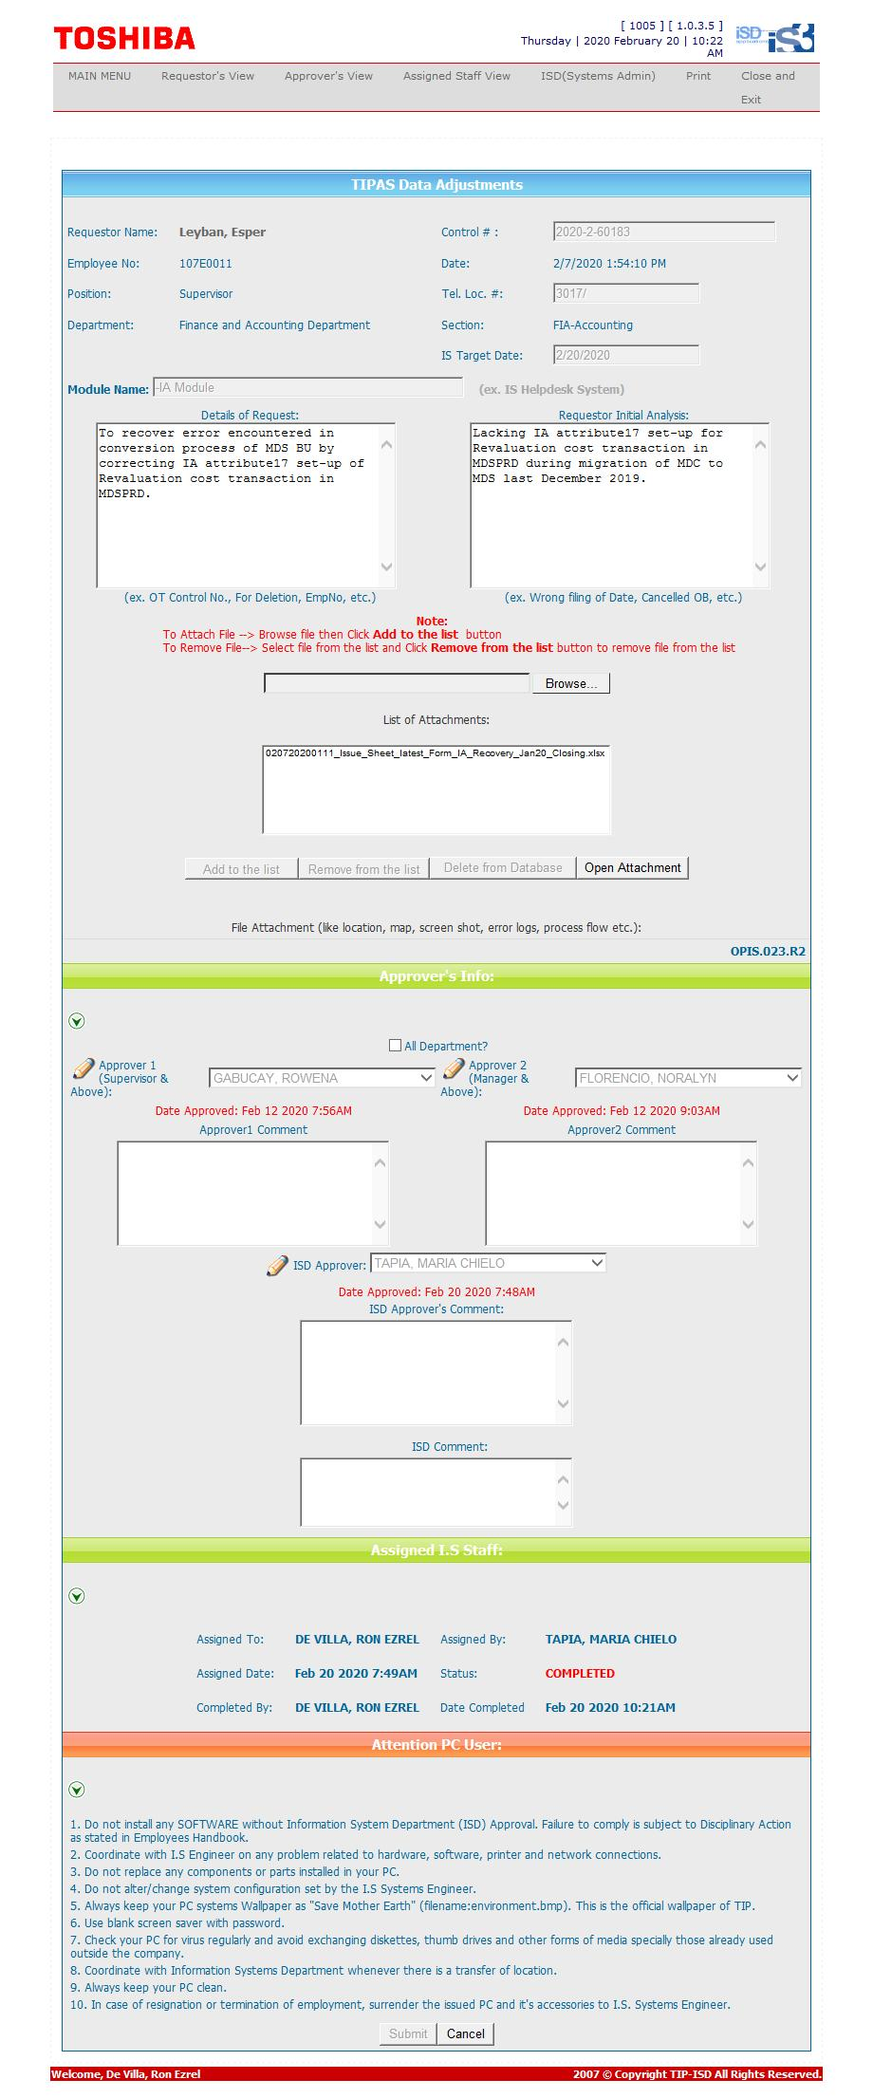
Helpdesk Request

 | ATTACH SCREENSHOT OF HELPDESK REQUEST.

